Segmentation
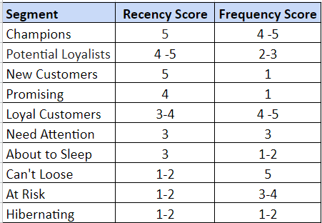
R | F | RF | Segement
5 | 4 | 54 | Champions
5 | 5 | 55 | Champions
4 | 2 | 42 | Potential Loylists
4 | 3 | 43 | Potential Loylists
5 | 2 | 52 | Potential Loylists
5 | 3 | 53 | Potential Loylists
5 | 1 | 51 | New Customer
4 | 1 | 41 | Promising
3 | 4 | 34 | Loyal Customer
3 | 5 | 35 | Loyal Customer
4 | 4 | 44 | Loyal Customer
4 | 5 | 45 | Loyal Customer
3 | 3 | 33 | Need Attention
3 | 1 | 31 | About to Sleep
3 | 2 | 32 | About to Sleep
1 | 5 | 15 | Can't Loose
2 | 5 | 25 | Can't Loose
1 | 3 | 13 | At Risk
1 | 4 | 14 | At Risk
2 | 3 | 23 | At Risk
2 | 4 | 24 | At Risk

